Sheet1
Xylophone (Chimes) Calculator

Enter the required information in the yellow boxes
These are the values used in finding the length to cut your tube for a given frequency
$$f=\frac{πvK}{8L^{2}}m^{2}$$
Calibration:
length | L | 0.400 | m
frequency | F | 600.000 | Hz
inner radius | ri | 0.011 | m
uter radius | ro | 0.012 | m
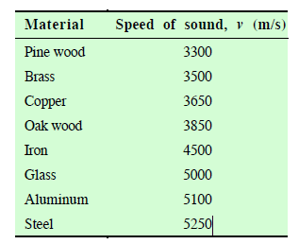
mode | m | 3.011
K |  | 0.008
Vsound | vs | 3312.373

Length to cut

Frequency |  | 440 | Hz

Cut length is |  | 0.467 | m

Frequency for Given Length
I= $\frac{1200 log⁡(R)}{log⁡(2)}$
Length |  | 0.4680

Frequency |  | 438.308

